02_Bolsa De Cafe
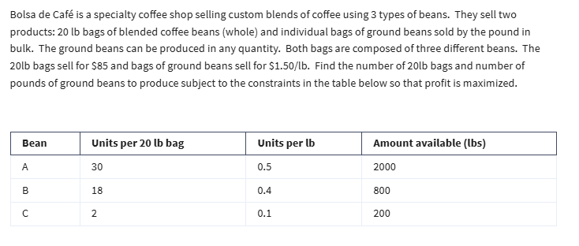
Integer Programming

03_Binary Investment Decision
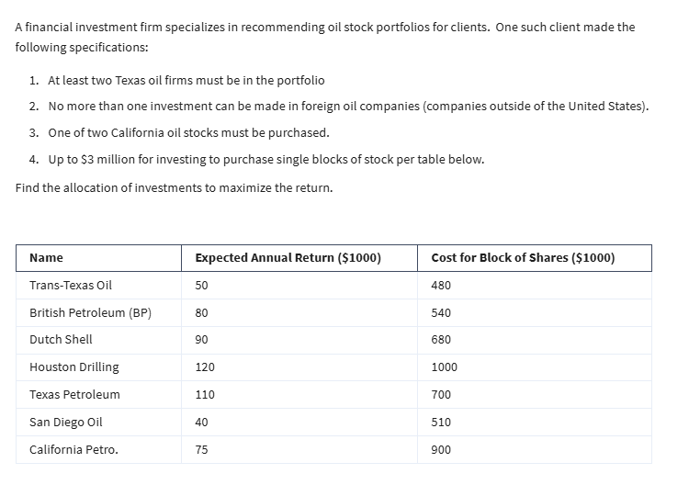
Binary Integer Programming

04_Portfolio Variance
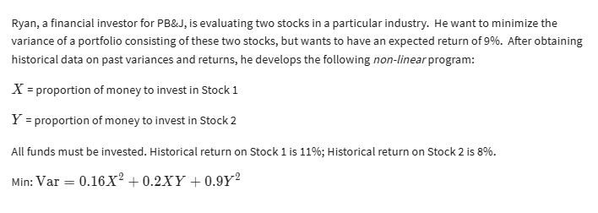
Nonlinear Programming

